SIGNAL RESULTS TEMPLATE
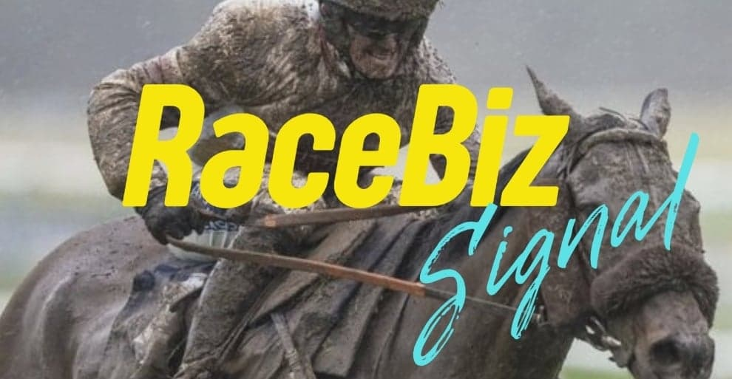
RACEBIZ SIGNAL RESULTS
www.racebiz.net

21 DECEMBER WEDNESDAY 2022 RACEBIZ SIGNAL RESULTS

TRACK | DATE | RACE | NO | SELECTIONS | RESULT | UNITS | OUTLAY $ | BSP | RETURN | PROFIT BEFORE COMMISSION | BETFAIR 10% | PROFIT/LOSS | CONVERSATION IN APP
WARWICK FARM | 21.12.2022 | 4 | 1 | SOCRATES |  | 0.8 | $80.00 |  | $0.00 | -$80.00 | $0.00 | -$80.00
 |  | 4 | 7 | VINCENZO | 3RD | 1.4 | $140.00 |  | $0.00 | -$140.00 | $0.00 | -$140.00
 |  | 4 | 11 | LADY REDWOOD |  | 1.45 | $145.00 |  | $0.00 | -$145.00 | $0.00 | -$145.00
WARWICK FARM |  | 5 | 1 | DUKE OF BUCKINGHAM |  | 1.2 | $120.00 |  | $0.00 | -$120.00 | $0.00 | -$120.00
 |  | 5 | 4 | TARAASHOQ | 4TH | 1 | $100.00 |  | $0.00 | -$100.00 | $0.00 | -$100.00
 |  | 5 | 2 | BALTIC COAST |  | 0.7 | $70.00 |  | $0.00 | -$70.00 | $0.00 | -$70.00
WARWICK FARM |  | 6 | 6 | DE AN ANDRETTI |  | 1.6 | $160.00 |  | $0.00 | -$160.00 | $0.00 | -$160.00
 |  | 6 | 5 | DEVINE MISS |  | 1 | $100.00 |  | $0.00 | -$100.00 | $0.00 | -$100.00
 |  | 6 | 2 | EYEWITNESS |  | 0.55 | $55.00 |  | $0.00 | -$55.00 | $0.00 | -$55.00
WARWICK FARM |  | 7 | 14 | COMRADE ROSA |  | 1.15 | $115.00 |  | $0.00 | -$115.00 | $0.00 | -$115.00
 |  | 7 | 15 | KA BLING |  | 0.25 | $25.00 |  | $0.00 | -$25.00 | $0.00 | -$25.00
 |  | 7 | 1 | GO TROPPO |  | 0.9 | $90.00 |  | $0.00 | -$90.00 | $0.00 | -$90.00
SANDOWN |  | 3 | 3 | HARBOURMASTER | 1ST | 1.35 | $135.00 | $9.20 | $1,242.00 | $1,107.00 | $110.70 | $996.30
 |  | 3 | 5 | MERE FANCY | 4TH | 1.35 | $135.00 |  | $0.00 | -$135.00 | $0.00 | -$135.00
SANDOWN |  | 4 | 3 | TYCOON BEC | 1ST | 1.2 | $120.00 | $6.78 | $813.60 | $693.60 | $69.36 | $624.24
 |  | 4 | 4 | WHO'S YOUR PAPY |  | 1.05 | $105.00 |  | $0.00 | -$105.00 | $0.00 | -$105.00
 |  | 4 | 10 | MILETUS |  | 0.6 | $60.00 |  | $0.00 | -$60.00 | $0.00 | -$60.00
SANDOWN |  | 6 | 1 | LOVIN' LAUGHS | 1ST | 0.55 | $55.00 | $20.00 | $1,100.00 | $1,045.00 | $104.50 | $940.50
 |  | 6 | 6 | GOLDEN VITRINE | 4TH | 0.7 | $70.00 |  | $0.00 | -$70.00 | $0.00 | -$70.00
 |  | 6 | 8 | RURA PENTHE |  | 1 | $100.00 |  | $0.00 | -$100.00 | $0.00 | -$100.00
 |  | 6 | 10 | CRIMMO | 3RD | 0.8 | $80.00 |  | $0.00 | -$80.00 | $0.00 | -$80.00
SANDOWN |  | 7 | 2 | BRILLANT SAPPHIRE |  | 1.1 | $110.00 |  | $0.00 | -$110.00 | $0.00 | -$110.00
 |  | 7 | 4 | A PENNY SPENT |  | 0.8 | $80.00 |  | $0.00 | -$80.00 | $0.00 | -$80.00
 |  | 7 | 12 | MILLENNIAL GIRL |  | 0.9 | $90.00 |  | $0.00 | -$90.00 | $0.00 | -$90.00
 |  | 7 | 10 | SONORA |  | 0.65 | $65.00 |  | $0.00 | -$65.00 | $0.00 | -$65.00
SANDOWN |  | 8 | 7 | TRAMONTANA |  | 1.6 | $160.00 |  | $0.00 | -$160.00 | $0.00 | -$160.00
 |  | 8 | 15 | ISRAELITE BAY |  | 0.9 | $90.00 |  | $0.00 | -$90.00 | $0.00 | -$90.00
 |  | 8 | 13 | BIRDIES GALORE |  | 0.8 | $80.00 |  | $0.00 | -$80.00 | $0.00 | -$80.00
 |  | 8 | 17 | ENDLESSLY |  | 1.2 | $120.00 |  | $0.00 | -$120.00 | $0.00 | -$120.00
EAGLE FARM |  | 6 | 1 | WILMOT PASS |  | 1.05 | $105.00 |  | $0.00 | -$105.00 | $0.00 | -$105.00
 |  | 6 | 5 | GOLDEEL 100 |  | 1.4 | $140.00 |  | $0.00 | -$140.00 | $0.00 | -$140.00
EAGLE FARM |  | 7 | 3 | BRIARS KINGDOM | 1ST | 2.3 | $230.00 | $4.20 | $966.00 | $736.00 | $73.60 | $662.40
 |  | 7 | 9 | ROSE BOUQUET |  | 0.8 | $80.00 |  | $0.00 | -$80.00 | $0.00 | -$80.00
 |  | 7 | 5 | BILLY'S BRO | 2ND | 0.65 | $65.00 |  | $0.00 | -$65.00 | $0.00 | -$65.00
EAGLE FARM |  | 8 | 2 | AMERICAN SAINT | 1ST | 1.1 | $110.00 | $19.70 | $2,167.00 | $2,057.00 | $205.77 | $1,851.23
 |  | 8 | 4 | STEINBRENNER |  | 1.5 | $150.00 |  | $0.00 | -$150.00 | $0.00 | -$150.00
 |  | 8 | 5 | MILITARY GAMBLER |  | 1.2 | $120.00 |  | $0.00 | -$120.00 | $0.00 | -$120.00
OAKBANK |  | 4 | 3 | ORDER IS RESTORED |  | 1.2 | $120.00 |  | $0.00 | -$120.00 | $0.00 | -$120.00
 |  | 4 | 7 | TABLE OF DREAMS | 1ST | 1.5 | $150.00 | $5.10 | $765.00 | $615.00 | $61.50 | $553.50
 |  | 4 | 8 | AESCULUS | 3RD | 1.35 | $135.00 |  | $0.00 | -$135.00 | $0.00 | -$135.00
OAKBANK |  | 5 | 2 | CHEVITE | 1ST | 3 | $300.00 | $5.30 | $1,590.00 | $1,290.00 | $129.00 | $1,161.00
 |  | 5 | 3 | FINAL CHANCE | 3RD | 1.1 | $110.00 |  | $0.00 | -$110.00 | $0.00 | -$110.00
OAKBANK |  | 6 | 1 | YARDSTICK |  | 1.6 | $160.00 |  | $0.00 | -$160.00 | $0.00 | -$160.00
 |  | 6 | 4 | EQUAL BALANCE |  | 1.25 | $125.00 |  | $0.00 | -$125.00 | $0.00 | -$125.00
 |  | 6 | 6 | PRETENTIOUS LASS |  | 0.9 | $90.00 |  | $0.00 | -$90.00 | $0.00 | -$90.00
OAKBANK |  | 7 | 5 | NOT A SINGLE BID |  | 0.8 | $80.00 |  | $0.00 | -$80.00 | $0.00 | -$80.00
 |  | 7 | 6 | ALL CLUBS | 1ST | 1.1 | $110.00 | $4.48 | $492.80 | $382.80 | $38.28 | $344.52
 |  | 7 | 9 | GRENADO |  | 1.4 | $140.00 |  | $0.00 | -$140.00 | $0.00 | -$140.00
 |  |  |  |  |  |  | $0.00 |  | $0.00 | $0.00 | $0.00 | $0.00
 |  |  |  |  |  |  | $0.00 |  | $0.00 | $0.00 | $0.00 | $0.00
 |  |  |  |  | TOTAL |  | $5,375.00 | $0.00 | $9,136.40 | $3,761.40 | $792.71 | $2,968.69

 |  |  |  |  |  |  | RESULT 21 DECEMBER WEDNESDAY 2022
 |  |  |  |  |  |  | OUTLAY | RETURN $ | PROFIT BEFORE COMMISSION | BETFAIR 10% | TOTAL P/L | UNIT P/L
 |  |  |  |  |  |  | $5,375.00 | $9,136.40 | $3,761.40 | $792.71 | $2,968.69 | 29.6 UNITS

