18 FEB SAT 2023
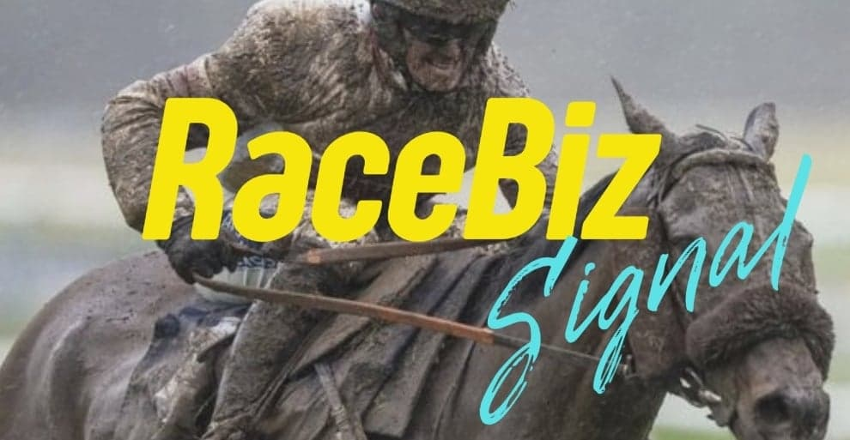
RACEBIZ SIGNAL RESULTS
www.racebiz.net

18 FEBRUARY SATURDAY 2023 RACEBIZ SIGNAL RESULTS

TRACK | DATE | RACE | NO | SELECTIONS | RESULT | UNITS | OUTLAY $ | BSP | PAYOUT | RETURN | BETFAIR 10% | PROFIT/LOSS
 | 18-Feb-23 |  |  |  |  |  | $- | $- | $- | $- | $- | $-
ROSEHILL |  | 1 | 6 | STRATUM PRIDE |  | 2 | $200.00 | $- | $- | -$200.00 | $- | -$200.00
 |  | 1 | 12 | ATMOSPHERIC ROCK |  | 1.2 | $120.00 | $- | $- | -$120.00 | $- | -$120.00
 |  | 1 | 2 | SUPER EXTREME | 4TH | 1 | $100.00 | $- | $- | -$100.00 | $- | -$100.00
FLEMINGTON | 18-Feb-23 | 2 | 1 | SEE YOU IN HEAVEN | 2ND | 3.55 | $355.00 | $- | $- | -$355.00 | $- | -$355.00
 |  | 2 | 7 | ROYAL MERCHANT | 4TH | 0.9 | $90.00 | $- | $- | -$90.00 | $- | -$90.00
MORPHETTVILLE | 18-Feb-23 | 2 | 6 | DIXIE WHISTLER | 3RD | 1.85 | $185.00 | $- | $- | -$185.00 | $- | -$185.00
 |  | 2 | 7 | BATTING ABOVE |  | 0.9 | $90.00 | $- | $- | -$90.00 | $- | -$90.00
FLEMINGTON | 18-Feb-23 | 4 | 6 | ARRAN BAY | 2ND | 0.9 | $90.00 | $- | $- | -$90.00 | $- | -$90.00
 |  | 4 | 10 | FIGHTING ARROW |  | 1.3 | $130.00 | $- | $- | -$130.00 | $- | -$130.00
 |  | 4 | 9 | ZOLTAN |  | 0.8 | $80.00 | $- | $- | -$80.00 | $- | -$80.00
 |  | 4 | 14 | THE KINGS GOSPEL |  | 0.6 | $60.00 | $- | $- | -$60.00 | $- | -$60.00
MORPHETTVILLE | 18-Feb-23 | 4 | 2 | ROYAL MILE | 4TH | 1.45 | $145.00 | $- | $- | -$145.00 | $- | -$145.00
 |  | 4 | 1 | ONE MORE JACK |  | 0.6 | $60.00 | $- | $- | -$60.00 | $- | -$60.00
 |  | 4 | 6 | SANDY PRINCE | 2ND | 0.6 | $60.00 | $- | $- | -$60.00 | $- | -$60.00
MORPHETTVILLE | 18-Feb-23 | 5 | 7 | FIGHTING MCLAREN | 3RD | 2.15 | $215.00 | $- | $- | -$215.00 | $- | -$215.00
 |  | 5 | 2 | LARIMER STREET | 1ST | 1.25 | $125.00 | $7.20 | $900.00 | $775.00 | $77.50 | $697.50
EAGLE FARM | 18-Feb-23 | 5 | 2 | WARP SPEED | 2ND | 1.1 | $110.00 | $- | $- | -$110.00 | $- | -$110.00
 |  | 5 | 4 | RED LIGHT ROXANNE |  | 0.7 | $70.00 | $- | $- | -$70.00 | $- | -$70.00
 |  | 5 | 5 | GRINZINGER KNIGHT |  | 1.79 | $179.00 | $- | $- | -$179.00 | $- | -$179.00
FLEMINGTON | 18-Feb-23 | 6 | 5 | ELLIPTICAL | 1ST | 0.6 | $60.00 | $8.20 | $492.00 | $432.00 | $43.20 | $388.80
 |  | 6 | 14 | ATTRITION |  | 1 | $100.00 | $- | $- | -$100.00 | $- | -$100.00
 |  | 6 | 2 | BELLO BEAU |  | 0.5 | $50.00 | $- | $- | -$50.00 | $- | -$50.00
 |  | 6 | 10 | DAYTONA |  | 0.75 | $75.00 | $- | $- | -$75.00 | $- | -$75.00
FLEMINGTON | 18-Feb-23 | 8 | 8 | CATCH TWENTYTWO |  | 0.7 | $70.00 | $- | $- | -$70.00 | $- | -$70.00
 |  | 8 | 7 | LOOKS LIKE ELVIS |  | 0.95 | $95.00 | $- | $- | -$95.00 | $- | -$95.00
 |  | 8 | 14 | NOT A OPTION |  | 1 | $100.00 | $- | $- | -$100.00 | $- | -$100.00
 |  | 8 | 4 | UNCLE BRYN |  | 0.9 | $90.00 | $- | $- | -$90.00 | $- | -$90.00
 |  |  |  |  | TOTAL |  | $3,104.00 | $- | $1,392.00 | $1,712.00 | $120.70 | -$1,832.70
 |  |  |  |  |  |  |  |  |  | $-
 |  |  |  |  |  |  | RESULT 18 NOVEMBER SATURDAY 2023
 |  |  |  |  |  |  | OUTLAY | PAYOUT | RETURN | BETFAIR 10% | TOTAL P/L | UNIT P/L
 |  |  |  |  |  |  | $3,104.00 | $1,392.00 | $1,712.00 | $120.70 | $1,832.00 | UNIT 18

