8 FEB WED 2023
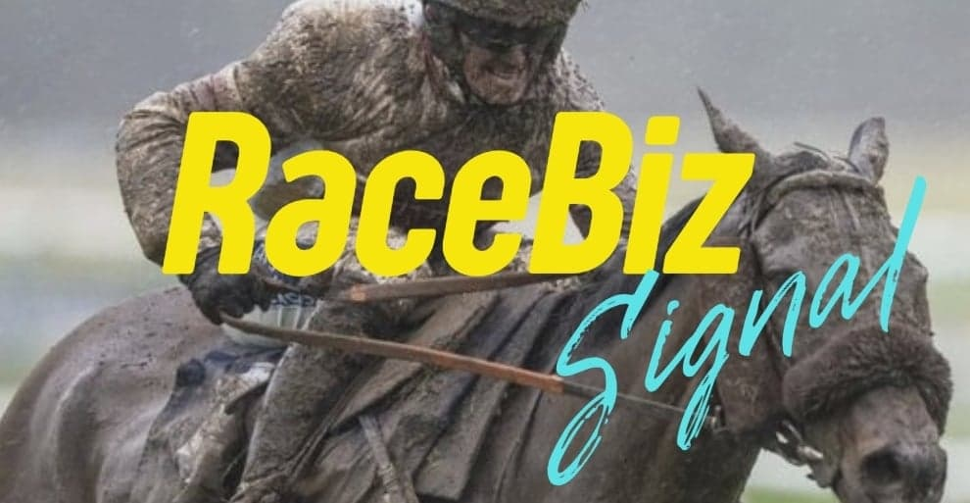
RACEBIZ SIGNAL RESULTS
www.racebiz.net

8 FEBRUARY WEDNESDAY 2023 RACEBIZ SIGNAL RESULTS

TRACK | DATE | RACE | NO | SELECTIONS | RESULT | UNITS | OUTLAY $ | BSP | PAYOUT | RETURN | BETFAIR 10% | PROFIT/LOSS
 | 8-Feb-23 |  |  |  |  |  | $- | $- | $- | $- | $- | $-
GAWLER |  | 4 | 3 | MISS EUROZONE | 1ST | 1 | $100.00 | $8.45 | $845.00 | $745.00 | $74.50 | $670.50
 |  | 4 | 6 | NORTHERN SUPERSTAR | 2ND | 0.9 | $90.00 | $- | $- | -$90.00 | $- | -$90.00
 |  | 4 | 4 | HOT SPARKY |  | 0.9 | $90.00 | $- | $- | -$90.00 | $- | -$90.00
WARWICK FM | 8-Feb-23 | 5 | 6 | KATTEGAT |  | 0.5 | $50.00 | $- | $- | -$50.00 | $- | -$50.00
 |  | 5 | 7 | LATHENIGHTTOUGHGUY |  | 1.1 | $110.00 | $- | $- | -$110.00 | $- | -$110.00
GAWLER | 8-Feb-23 | 6 | 11 | PARSONAGE LANE |  | 0.9 | $90.00 | $- | $- | -$90.00 | $- | -$90.00
 |  | 6 | 10 | MYSTIC KNOT |  | 0.9 | $90.00 | $- | $- | -$90.00 | $- | -$90.00
WARWICK FM | 8-Feb-23 | 6 | 6 | FLYING ANNIE |  | 0.65 | $65.00 | $- | $- | -$65.00 | $- | $65.00
 |  | 6 | 7 | PETULANT |  | 1.15 | $115.00 | $- | $- | -$115.00 | $- | -$115.00
 |  | 6 | 12 | ZANZIBAR GEM | 3RD | 0.65 | $65.00 | $- | $- | -$65.00 | $- | -$65.00
GAWLER | 8-Feb-23 | 7 | 4 | FORTUNE FOLLOWS |  | 1.15 | $115.00 | $- | $- | -$115.00 | $- | -$115.00
 |  | 7 | 10 | BIGNOTA |  | 1 | $100.00 | $- | $- | -$100.00 | $- | -$100.00
MOE | 8-Feb-23 | 5 | 2 | OCEANOGRAPHY | 3RD | 1.15 | $115.00 | $- | $- | -$115.00 | $- | -$115.00
 |  | 5 | 5 | FRANKIE TWO ANGLES | 4TH | 1 | $100.00 | $- | $- | -$100.00 | $- | -$100.00
 |  |  |  |  | TOTAL |  | $1,295.00 | $- | $845.00 | -$450.00 | $74.50 | -$394.50

 |  |  |  |  |  |  | RESULT 8 FEBRUARY SATURDAY 2023
 |  |  |  |  |  |  | OUTLAY | PAYOUT | RETURN | BETFAIR 10% | TOTAL P/L | UNIT P/L
 |  |  |  |  |  |  | $1,295.00 | $845.00 | -$450.00 | $74.50 | -$574.50 | UNIT 5.7

