11 MARCH SATURDAY 2023
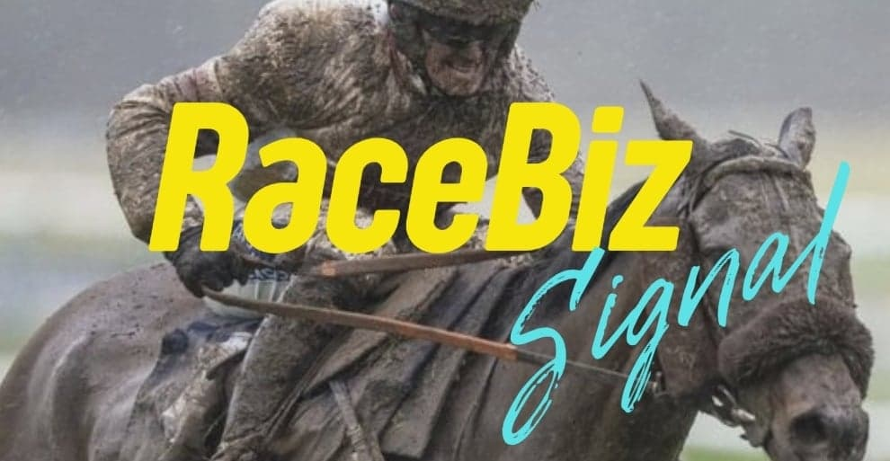
RACEBIZ SIGNAL RESULTS
www.racebiz.net

11 MARCH SATURDAY 2023 RACEBIZ SIGNAL RESULTS

TRACK | DATE | RACE | NO | SELECTIONS | RESULT | UNITS | OUTLAY $ | BSP | PAYOUT | RETURN | BETFAIR 10% | PROFIT/LOSS
FLEMINGTON | 11-Mar-23 | 4 | 11 | DUBENENKO (FELL) |  | 2.3 | $230.00 | $- | $- | -$230.00 | $- | -$230.00
 |  |  | 7 | VEIGHT | 1ST | 2 | $200.00 | $5.50 | $1,100.00 | $900.00 | $90.00 | $810.00
 |  |  | 6 | FREAKOFNATURE |  | 1 | $100.00 | $- | $- | -$100.00 | $- | -$100.00
 |  |  | 13 | PORTOROSA |  | 1.3 | $130.00 | $- | $- | -$130.00 | $- | -$130.00
FLEMINGTON | 11-Mar-23 | 5 | 8 | SO YOU SEE |  | 1.5 | $150.00 | $- | $- | -$150.00 | $- | -$150.00
 |  |  | 9 | FORBIDDEN CITY |  | 1.5 | $150.00 | $- | $- | -$150.00 | $- | -$150.00
 |  |  | 3 | BARB RAIDER | 3RD | 1.9 | $190.00 | $- | $- | -$190.00 | $- | -$190.00
ROSEHILL | 11-Mar-23 | 7 | 14 | ZEYREK | 2ND | 1.8 | $180.00 | $- | $- | -$180.00 | $- | -$180.00
 |  |  | 15 | KING FRANKEL | 3RD | 1.8 | $180.00 | $- | $- | -$180.00 | $- | -$180.00
 |  |  | 4 | NO COMPROMISE |  | 0.9 | $90.00 | $- | $- | -$90.00 | $- | -$90.00
 |  |  | 2 | KNIGHTS ORDER |  | 0.45 | $45.00 | $- | $- | -$45.00 | $- | -$45.00
FLEMINGTON | 11-Mar-23 | 6 | 3 | VOW AND DECLARE | 2ND | 2.35 | $235.00 | $- | $- | -$235.00 | $- | -$235.00
 |  |  | 6 | SUREFIRE |  | 1.4 | $140.00 | $- | $- | -$140.00 | $- | -$140.00
 |  |  | 10 | NOBEL HEIGHTS |  | 0.5 | $50.00 | $- | $- | -$50.00 | $- | -$50.00
ROSEHILL | 11-Mar-23 | 8 | 1 | HINGED |  | 2 | $200.00 | $- | $- | -$200.00 | $- | -$200.00
 |  |  | 2 | ANNAVISTO |  | 1.15 | $115.00 | $- | $- | -$115.00 | $- | -$115.00
 |  |  | 13 | YEARNING |  | 1 | $100.00 | $- | $- | -$100.00 | $- | -$100.00
 |  |  | 14 | ESPIONA | 1ST | 0.8 | $80.00 | $8.54 | $683.20 | $603.20 | $60.32 | $542.88
FLEMINGTON | 11-Mar-23 | 7 | 9 | LOFTY STRIKE | 2ND | 1.95 | $195.00 | $- | $- | -$195.00 | $- | -$195.00
 |  |  | 15 | IN SECRET | 1ST | 1.55 | $155.00 | $7.35 | $1,139.25 | $984.25 | $98.42 | $885.83
 |  |  | 2 | MAZU |  | 0.75 | $75.00 | $- | $- | -$75.00 | $- | -$75.00
 |  |  | 10 | CHAIN OF LIGHTNING |  | 0.65 | $65.00 | $- | $- | -$65.00 | $- | -$65.00
MORPHETTVILLE | 11-Mar-23 | 8 | 8 | MARQUETTE | 2ND | 2 | $200.00 | $- | $- | -$200.00 | $- | -$200.00
 |  |  | 9 | FOUR WINDS |  | 1.4 | $140.00 | $- | $- | -$140.00 | $- | -$140.00
 |  |  | 13 | POSSUM BORN |  | 1 | $100.00 | $- | $- | -$100.00 | $- | -$100.00
 |  |  | 14 | SEND IT |  | 0.8 | $80.00 | $- | $- | -$80.00 | $- | -$80.00
ROSEHILL | 11-Mar-23 | 9 | 7 | ASCENSION |  | 2 | $200.00 | $- | $- | -$200.00 | $- | -$200.00
 |  |  | 8 | CEPHEUS | 1ST | 1.5 | $150.00 | $17.00 | $2,550.00 | $2,400.00 | $240.00 | $2,160.00
 |  |  | 4 | SIBAAQ |  | 1 | $100.00 | $- | $- | -$100.00 | $- | -$100.00
 |  |  | 1 | BANDERSNATCH | 4TH | 1.2 | $120.00 | $- | $- | -$120.00 | $- | -$120.00
MORPHETTVILLE | 11-Mar-23 | 9 | 1 | MR HAVE A CHAT | 2ND | 1.6 | $160.00 | $- | $- | -$160.00 | $- | -$160.00
 |  |  | 11 | SNOW FALCON |  | 1.05 | $105.00 | $- | $- | -$105.00 | $- | -$105.00
 |  |  | 15 | RUSTY HALO | 1ST | 1.35 | $135.00 | $9.09 | $1,227.15 | $1,092.15 | $109.20 | $982.95
ROSEHILL | 11-Mar-23 | 10 | 13 | STROKE OF LUCK | 2ND | 2 | $200.00 | $- | $- | -$200.00 | $- | -$200.00
 |  |  | 9 | MAJOR BEEL |  | 1 | $100.00 | $- | $- | -$100.00 | $- | -$100.00
 |  |  | 1 | ALMANIA | 1ST | 1 | $100.00 | $8.23 | $823.00 | $723.00 | $72.30 | $650.70
 |  |  | 5 | MARSABIT |  | 1 | $100.00 | $- | $- | $- | $- | $-
EAGLE FARM | 11-Mar-23 | 9 | 3 | BRIARS KINGDOM | 1ST | 2.3 | $230.00 | $2.75 | $632.50 | $402.50 | $40.25 | $362.25
 |  |  | 6 | FESTIVAL PRINCE |  | 1.3 | $130.00 | $- | $- | -$130.00 | $- | -$130.00
 |  |  | 4 | PETUNIA |  | 1 | $100.00 | $- | $- | -$100.00 | $- | -$100.00
FLEMINGTON | 11-Mar-23 | 9 | 6 | JENNY JEROME |  | 2.55 | $255.00 | $- | $- | -$255.00 | $- | -$255.00
 |  |  | 10 | BLAKMAX |  | 1.4 | $140.00 | $- | $- | -$140.00 | $- | -$140.00
 |  |  | 3 | CLIMBIMG STAR |  | 1 | $100.00 | $- | $- | -$100.00 | $- | -$100.00
 |  |  |  |  | TOTAL |  | $6,000.00 | $- | $8,155.10 | $2,255.10 | $710.49 | $1,544.61

 |  |  |  |  |  |  | RESULT 11 MARCH SATURDAY 2023
 |  |  |  |  |  |  | OUTLAY | PAYOUT | RETURN | BETFAIR 10% | TOTAL P/L | UNIT P/L
 |  |  |  |  |  |  | $6,000.00 | $8,155.10 | $2,255.10 | $710.49 | $1,544.61 | 15.44 UNITS

