15 MARCH 2023 RESULTS
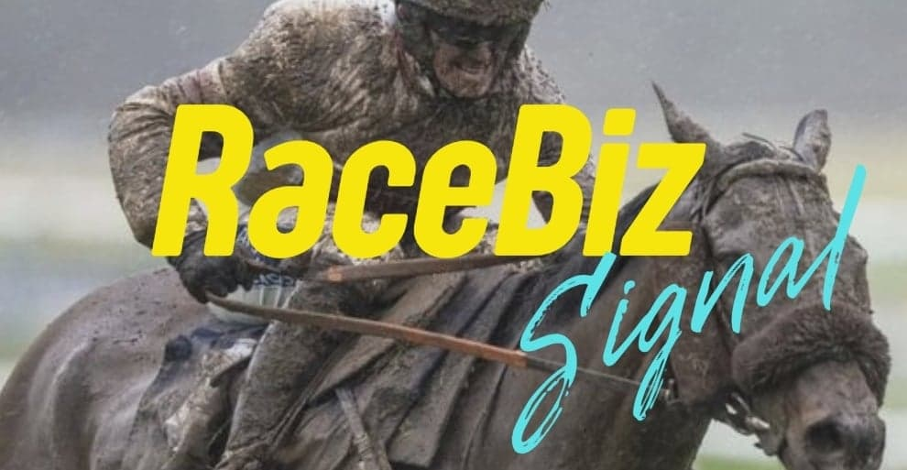
RACEBIZ SIGNAL RESULTS
www.racebiz.net

15 MARCH WEDNESDAY 2023 RACEBIZ SIGNAL RESULTS

TRACK | DATE | RACE | NO | SELECTIONS | RESULT | UNITS | OUTLAY $ | BSP | PAYOUT | RETURN | BETFAIR 10% | PROFIT/LOSS
SANDOWN | 15-Mar-23 | 3 | 1 | SOUTH PARADE |  | 2 | $200.00 | $- | $- | -$200.00 | $- | -$200.00
 |  |  | 2 | ICE PICK NICK | 1ST | 1.85 | $185.00 | $4.31 | $797.35 | $612.35 | $61.23 | $551.12
 |  |  | 7 | POWERFUL EAGLE | 2ND | 1.1 | $110.00 | $- | $- | -$110.00 | $- | -$110.00
WARWICK FARM | 15-Mar-23 | 7 | 10 | RITA MAY |  | 1.9 | $190.00 | $- | $- | -$190.00 | $- | -$190.00
 |  |  | 7 | LASCARS |  | 1.5 | $150.00 | $- | $- | -$150.00 | $- | -$150.00
 |  |  | 1 | TUCSON VALLEY | 3RD | 1.5 | $150.00 | $- | $- | -$150.00 | $- | -$150.00
SANDOWN | 15-Mar-23 | 5 | 1 | NIXIE |  | 2.2 | $220.00 | $- | $- | -$220.00 | $- | -$220.00
 |  |  | 2 | VENETIAN LASS | 3RD | 1.25 | $125.00 | $- | $- | -$125.00 | $- | -$125.00
 |  |  | 5 | BERRY BUBBLY |  | 1.5 | $150.00 | $- | $- | -$150.00 | $- | $-
EAGLE FARM | 15-Mar-23 | 8 | 12 | DO WELL LEGEND |  | 2 | $200.00 | $- | $- | -$200.00 | $- | -$200.00
 |  |  | 2 | TINTINWIN | 1ST | 1.6 | $160.00 | $11.10 | $1,776.00 | $1,616.00 | $161.60 | $1,454.40
 |  |  | 1 | MAEVILA RULER |  | 1.35 | $135.00 | $- | $- | -$135.00 | $- | -$135.00
WARWICK FARM | 15-Mar-23 | 8 | 2 | DESTINATION |  | 0.8 | $80.00 | $- | $- | -$80.00 | $- | -$80.00
 |  |  | 4 | MARS MISSION |  | 1.65 | $165.00 | $- | $- | -$165.00 | $- | -$165.00
 |  |  | 8 | RUBY KISSES |  | 0.95 | $95.00 | $- | $- | -$95.00 | $- | -$95.00
 |  |  | 12 | INVINCIBLE VISION |  | 1.5 | $150.00 | $- | $- | -$150.00 | $- | -$150.00
SANDOWN | 15-Mar-23 | 6 | 5 | ALHAMBRA LAD |  | 1.5 | $150.00 | $- | $- | -$150.00 | $- | -$150.00
 |  |  | 1 | PORT GUILLAUME |  | 1.35 | $135.00 | $- | $- | -$135.00 | $- | -$135.00
 |  |  | 3 | HASSELTOFF | 4TH | 1.8 | $180.00 | $- | $- | -$180.00 | $- | -$180.00
 |  |  | 2 | MYSTERY ISLAND |  | 1 | $100.00 | $- | $- | -$100.00 | $- | -$100.00
LAUNCESTON | 15-Mar-23 | 2 | 8 | UNDER HIS EYE | 2ND | 2 | $200.00 | $- | $- | -$200.00 | $- | -$200.00
 |  |  | 1 | OUR SHINKANSEN |  | 1.25 | $125.00 | $- | $- | -$125.00 | $- | -$125.00
 |  |  | 5 | AMANCAYA |  | 1 | $100.00 | $- | $- | -$100.00 | $- | -$100.00
SANDOWN | 15-Mar-23 | 7 | 7 | LADY COURT |  | 1.65 | $165.00 | $- | $- | -$165.00 | $- | -$165.00
 |  |  | 5 | FANCYLANSKI | 1ST | 1.1 | $110.00 | $6.62 | $728.20 | $618.20 | $61.82 | $556.38
 |  |  | 3 | BOTANY | 2ND | 1.3 | $130.00 | $- | $- | -$130.00 | $- | -$130.00
 |  |  |  |  | TOTAL |  | $3,860.00 | $- | $3,301.55 | -$558.45 | $284.65 | -$693.10

 |  |  |  |  |  |  | RESULT 15 MARCH WEDNESDAY 2023
 |  |  |  |  |  |  | OUTLAY | PAYOUT | RETURN | BETFAIR 10% | TOTAL P/L | UNIT P/L
 |  |  |  |  |  |  | $3,860.00 | $3,301.55 | -$558.45 | $284.65 | $843.10 | 8.4 UNITS

